Read Me
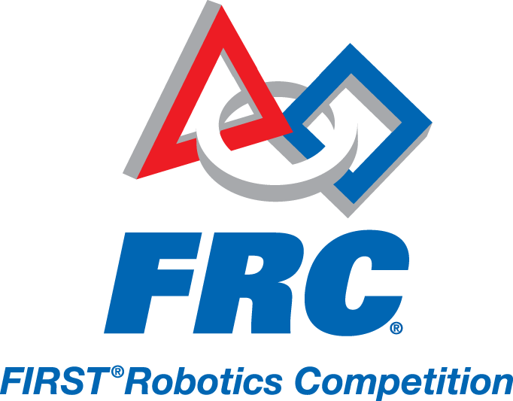
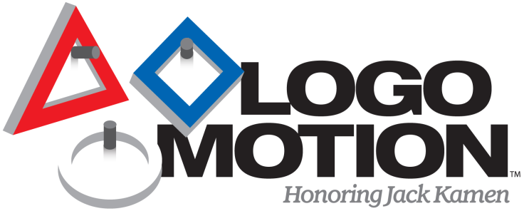

This is the approved Bill of Material Template (BOM) for use in the 2011 FIRST^{(R)} Robotics Competition Game, LogoMotionTM. All parts required by The ROBOT section 4.3.5 should be entered into the BOM. The BOM helps inspectors verify part use and legality on ROBOTS. Per <R82>, teams must submit an electronic copy of the BOM during inspection. While not required by the rules, a paper copy of the BOM can assist inspectors during inspection and is recommended.
The BOM is divided into two sections, Kit of Parts (KOP) items and Non-KOP Items. Items that come in the KOP should be entered as a quantity only on the "KOP Items" tab. This will help FIRST Staff determine the use rate of the items in the Kit of Parts. This information will help us mold the KOP into its most useful form. Per 2011 rule <R20>, items in the 2011 KOP are excluded from total cost calculation for your ROBOT and do not need to be entered on the "Non-KOP Items" tab.
Any item that was included in the Rookie KOP but not the Veteran KOP should be considered a KOP item and indicated on that tab, including the compressor. If a part was in a previous years' KOP, it's current cost must be accounted for on the non-KOP items tab.
Any item that is not included in the KOP should be entered on the "Non-KOP Items" tab. The work area has been broken out by Subsystem to help teams document where parts were used. Additional rows can be added to an individual Subsystem, and more Subsystems can be added as teams need. Please refer to 2011 rule <R20> to determine if a COMPONENT's cost needs to be included in the BOM.
The spreadsheet can be modified as TEAMS see fit to best fit their ROBOT. All we ask is that teams do not change the columns or order of the tabs, to make it easier for Inspectors at the competition, and for FIRST Staff to review following the competition season.

